Efficiency Improvements
indst/BIEEI
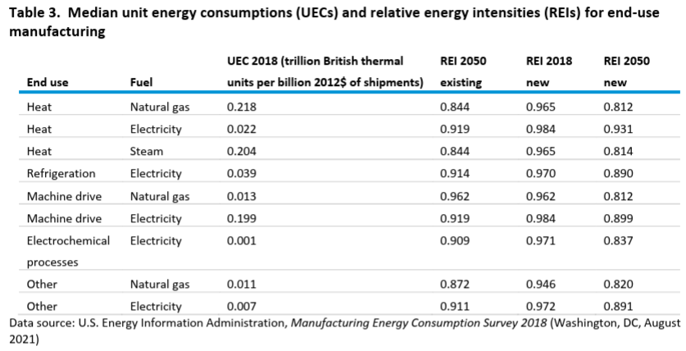

 |  |  | UEC 2018 (trillion British thermal | REI 2050 | 2018 | 2050 |  |  | improvement
 | End use | Fuel | units per billion 2012$ of shipments) | existing | new REI | new REI | 2021 | 2050 | over model run | annual improvement
 | Heat | Natural gas | 0.218 | 0.844 | 0.965 | 0.812 | 0.951 | 0.812 | 14.59% | 0.54%
 | Heat | Electricity | 0.022 | 0.919 | 0.984 | 0.931 | 0.979 | 0.931 | 4.91% | 0.17%
 | Heat | Steam | 0.204 | 0.844 | 0.965 | 0.814 | 0.951 | 0.814 | 14.39% | 0.53%
 | Refrigeration | Electricity | 0.039 | 0.914 | 0.97 | 0.89 | 0.962 | 0.89 | 7.53% | 0.27%
 | Machine drive | Natural gas | 0.013 | 0.962 | 0.962 | 0.812 | 0.948 | 0.812 | 14.34% | 0.53%
 | Machine drive | Electricity | 0.199 | 0.919 | 0.984 | 0.899 | 0.976 | 0.899 | 7.89% | 0.28%
 | Electrochemical | Electricity | 0.001 | 0.909 | 0.971 | 0.837 | 0.958 | 0.837 | 12.67% | 0.47%
 | processes Other | Natural gas | 0.011 | 0.872 | 0.946 | 0.82 | 0.934 | 0.82 | 12.22% | 0.45%
 | Other | Electricity | 0.007 | 0.911 | 0.972 | 0.891 | 0.964 | 0.891 | 7.61% | 0.27%

Machine Drive
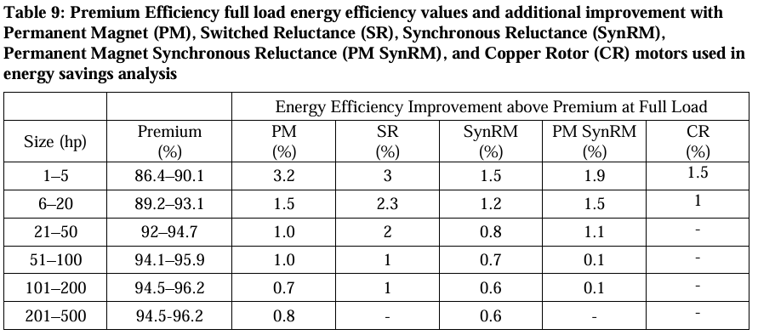
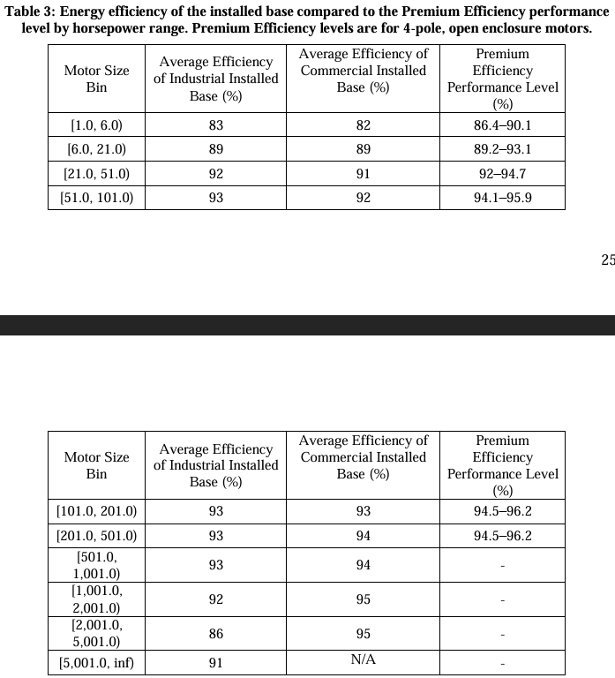
Table 3: Energy efficiency of the installed base compared to the Premium Efficiency performance
level by horsepower range. Premium Efficiency levels
 | Motor Size Bin | Average Efficiency of Industrial Installed Base (%) | Average Efficiency of Commercial Installed Base (%) | Premium Efficiency Performance Level (%) |  | advanced motor % improvement at full load (permanent magnet)
 |  |  |  | (%)
 | [1.0, 6.0) | 83 | 82 | 86.4—90.1 | 90.1 | 3.2 | 93.3
 | [6.0, 21.0) | 89 | 89 | 89.2_93.1 | 93.1 | 1.5 | 94.6
 | [21.0. 51.0) | 92 | 91 | 92_94.7 | 94.7 | 1 | 95.7
 | [51.0, 101.0) | 93 | 92 | 94.1-95.9 | 95.9 | 1 | 96.9
 | [101.0, 201.0) | 93 | 93 | 94.5_96.2 | 96.2 | 0.7 | 96.9
 | [201.0. 501.0) | 93 | 94 | 94.5-96.2 | 96.2 | 0.8 | 97
 | [501.0, 1,001.0) | 93 | 94 |  | 96.2 |  | 96.2
 | [1,001.0, 2,001.0) | 92 | 95 |  | 96.2 |  | 96.2
 | [2,001.0, 5,001.0) | 86 | 95 |  | 96.2 |  | 96.2
 | [5,001.0, ino | 91 | N/A |  | 96.2 |  | 96.2

 |  | Annual Electricity Consumption (TWh/yr)
 | [1.0, 6.0) | 26 |  | Implementation of variable frequency drives on variably underloaded motor systems
 | [6.0, 21.0) | 68 |  | 8%
 | [21.0. 51.0) | 87 |  | reduction in motor drive efficiency due to low load inefficiency
 | [51.0, 101.0) | 72
 | [101.0, 201.0) | 64
 | [201.0. 501.0) | 94
 | [501.0, 1,001.0) | 63
 | [1,001.0, 2,001.0) | 35
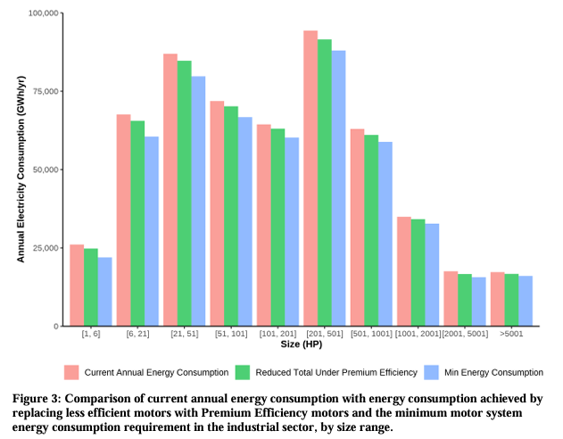
 | [2,001.0, 5,001.0) | 18
 | [5,001.0, ino | 17

 |  | Industry-wide Efficiency | Potential
 |  | 84% | 96%
 |  | 1.1974603907 | 1.0406198307

 |  | Diesel generator / NG combustion turbine
 |  | 40%
 |  | 2.5

Heat pumps
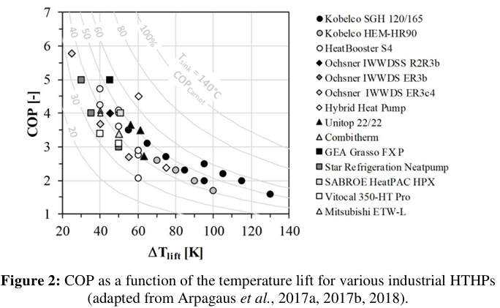

COP: | 3 | Based on Arpagaus et al. curve, assuming a temperature lift of around 55 C (e.g., industries using waste heat as the heat source, boosting 45 C to 100 C or similar)
Energy intensity | 0.33333333333

COP: | 3.5 | for HVAC systems with lower temperature lift than in process uses
Energy intensity | 0.28571428571

Boilers
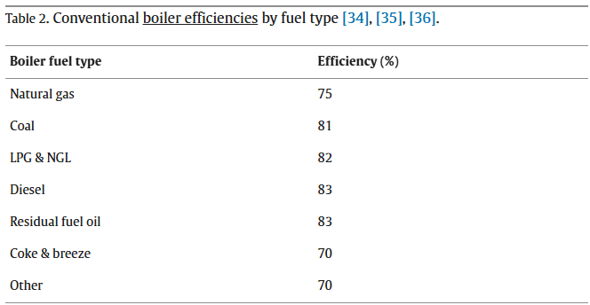

Boiler fuel type | Efficiency (%)
Natural gas | 0.75 | 133%
Coal | 0.81 | 123%
LPG & NGL | 0.82 | 122%
Diesel | 0.83 | 120%
Residual fuel oil | 0.83 | 120%
Coke & breeze | 0.7 | 143%
Other | 0.7 | 143%

Med Temp
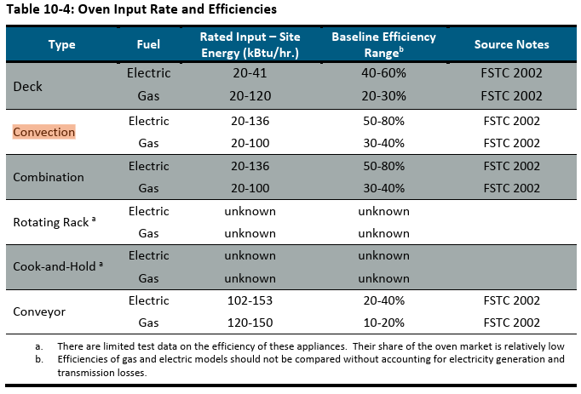
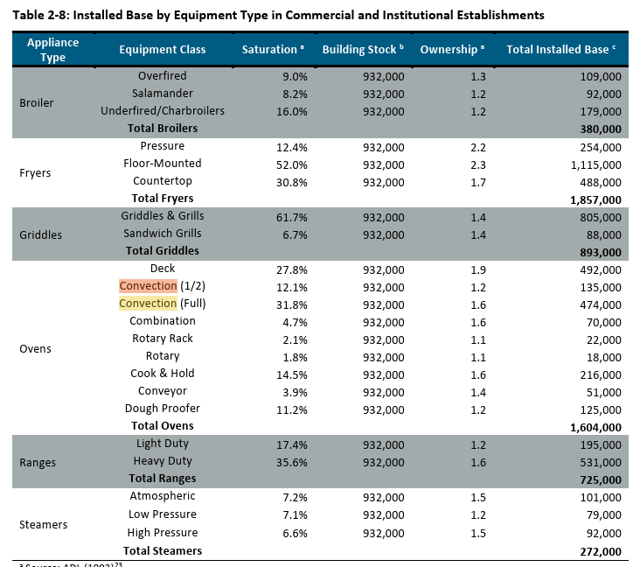
elec
Oven Types | Saturation | Efficiency |  | Fleet efficiency | Fleet Energy Intensity
Deck | 27.80% | 50% | elec | 58% | 1.7209601372
Convection | 44% | 65% | gas | 31% | 3.2715420656
Combination | 4.70% | 65%
Conveyor | 3.90% | 30%

gas
Oven Types | Saturation | Efficiency
Deck | 27.80% | 25%
Convection | 44% | 35%
Combination | 4.70% | 35%
Conveyor | 3.90% | 15%

Cooling
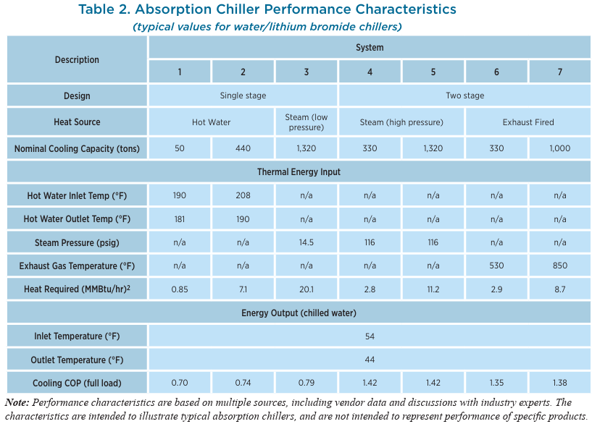
Chiller
 |  | Avg COP | Avg Energy Intensity
 | 0.7 | 1.1142857143 | 0.89743589744
 | 0.74
 | 0.79
 | 1.42
 | 1.42
 | 1.35
 | 1.38

https://www.energy.gov/sites/prod/files/2017/06/f35/CHP-Absorption%20Chiller-compliant.pdf
Example w/ efficiency of 0.48-0.55 kW/ton

 | COP = 3.516/(kW/ton)
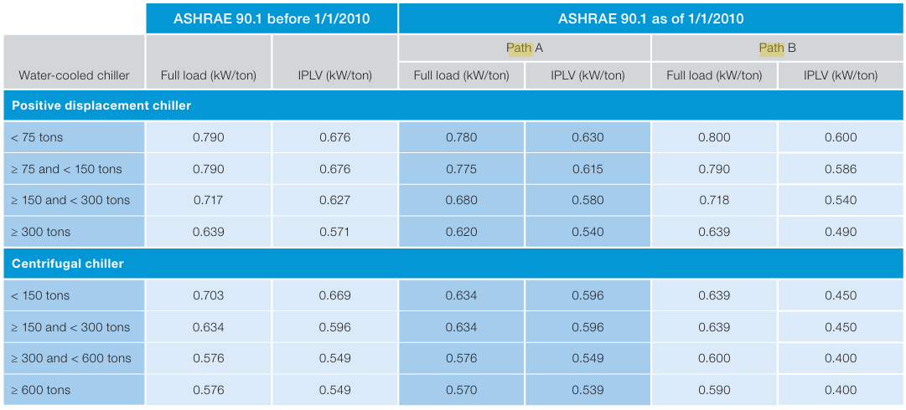
 |  | positive | kW/t | COP | Avg COP | Avg Intensity
 |  | <75 t | 0.79 | 4.4506329114 | 5.257859508 | 0.19019146451
 |  | 75-150 | 0.79 | 4.4506329114
 |  | 150-300 | 0.717 | 4.9037656904
 |  | >300 | 0.639 | 5.5023474178
 |  | centrifugal
 |  | <150 | 0.703 | 5.0014224751
 |  | 150-300 | 0.634 | 5.5457413249
 |  | 300-600 | 0.576 | 6.1041666667
 |  | >600t | 0.576 | 6.1041666667

Other
Ag tractors (mobile equipment)
Diesel
Tractor | η | energy intensity | nom P [kW] | nom w [rpm] | reference |  | ref 19 // open circles are added via post processing and represent the weighted
unkn. | 0.30 | 3.300 | 58.8 | 2500 | 19 |  | average load & engine speeds from ref 20 scaled by nominal engine speeds
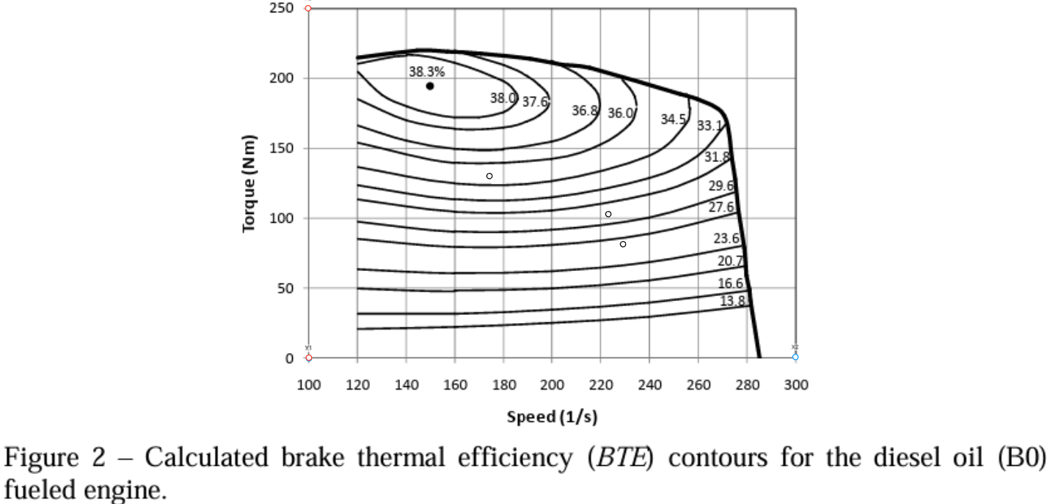
4WD / MFWD | 0.31 | 3.257 | 245/127 | 2100 | 20

Electric
Tractor | η | energy intensity
PM Electric Motor | 0.87533333333 | 1.1424219345 | 150 (overload) | 2600 | 21
charging adjusted | 0.76591666667 | 1.305625068 |  |  | 22,25
Custom autonomous | 0.64890826648 | 1.5410498705 | 50 |  | 23
Simulated autonomous | 0.72615925059 | 1.3771083949 |  |  | 24

Reduction in fuel use
Average | 57%

 |  |  |  |  |  |  | ref 21 // open circles are added via post processing and represent the weighted
 |  |  |  |  |  |  | average load & engine speeds from ref 20 scaled by nominal engine speeds
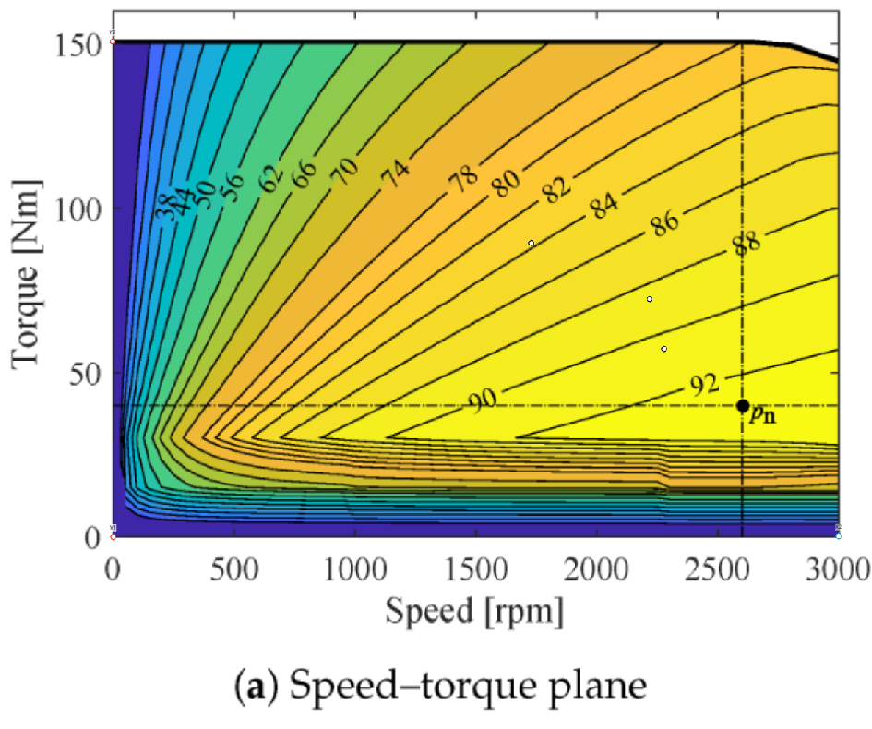

Ref 20 |  |  | (from figure)
Tables 2-5 | weighted values |  | max t at speed | load (fig 16) | speed on fig 2 | speed on fig 14 | torque on fig 2 | torque on fig 14 | % of total field time |  |  | weighted average torque % |  |  | weighted average engine speed |  |  | weighted-average torque | weighted-average engine speed
Field operation | t (%) | w (s^-1) |  |  |  |  |  |  | TS-I | TS-II | TS-III | TS-I | TS-II | TS-III | TS-I | TS-II | TS-III
NH3 application | 42 | 1841 | 213 | 0.38 | 229 | 2279 | 81 | 57 | 8 | 22 | 70 | 8 | 23 | 52 | 884 | 1711 | 2009 | 42.1 | 1853.44
 |  |  |  |  |  |  |  |  | 8 | 21 | 71 | 9 | 24 | 50 | 955 | 1718 | 1959 | 41.26 | 1828.07
Field cultivation | 56 | 1792 | 215 | 0.48 | 223 | 2219 | 103 | 72 | 4 | 25 | 71 | 13 | 33 | 66 | 1455 | 1568 | 1767 | 55.63 | 1704.77
 |  |  |  |  |  |  |  |  | 3 | 27 | 70 | 13 | 35 | 68 | 1543 | 1696 | 1964 | 57.44 | 1879.01
 |  |  |  |  |  |  |  |  | 3 | 24 | 73 | 13 | 33 | 63 | 905 | 1541 | 1827 | 54.3 | 1730.7
Corn planting | 73 | 1396 | 220 | 0.59 | 174 | 1728 | 130 | 89 | 41 | 59 |  | 37 | 76 |  | 904 | 1514 |  | 60.01 | 1263.9
 |  |  |  |  |  |  |  |  | 4 | 96 |  | 36 | 81 |  | 1433 | 1532 |  | 79.2 | 1528.04
 |  |  |  |  |  |  |  |  | 2 | 98 |  | 35 | 82 |  | 1492 | 1545 |  | 81.06 | 1543.94

